Sheet1
 | ----------------------------- | ------------- | ------------ | ---------- | ------------
 | Parameter | Coef | S.E. | Wald Z | Pr(>|Z|)
 | ----------------------------- | ------------ | ----------- | --------- | -----------

vs Gender.p=0 | Gender.p=F | 0.327 | 0.1105 | 2.958 | 0.003101

 | Gender.p=M | 0.1418 | 0.1396 | 1.016 | 0.3097

 | LOS | -0.003973 | 0.0009851 | -4.033 | 5.51E-05

 | Sick | -0.02692 | 0.2198 | -0.1225 | 0.9025

 | Domestic | -0.4508 | 0.2353 | -1.916 | 0.05531

 | volume of agent | -0.0006252 | 0.0002368 | -2.641 | 0.008278

 | outside Philly | -0.3529 | 0.1764 | -2 | 0.04545

 | Dog vs Cat | 0.01441 | 0.2056 | 0.07008 | 0.9441

 | Injured | -0.4738 | 0.4098 | -1.156 | 0.2476

 | Outcome Age in Months | 0.004803 | 0.002132 | 2.253 | 0.02428 | Interpretations | An injured dog has greater risk of return (see raw data)

 | Median Income of Zip | -0.0008671 | 0.003291 | -0.2634 | 0.7922
 |  |  |  |  |  |  | Species.a | Injured | # return | N | % return | SE
 | Dog * Injured | 1.219 | 0.6074 | 2.008 | 0.04468 |  | Cat | FALSE | 250 | 5650 | 4.42% | 0.27%
 |  |  |  |  |  |  | Cat | TRUE | 4 | 176 | 2.27% | 1.12%
 | Dog * Outcome Age in Months | -0.009435 | 0.003461 | -2.726 | 0.006413 |  | Dog | FALSE | 61 | 763 | 7.99% | 0.98%
 |  |  |  |  |  |  | Dog | TRUE | 6 | 39 | 15.40% | 5.78%

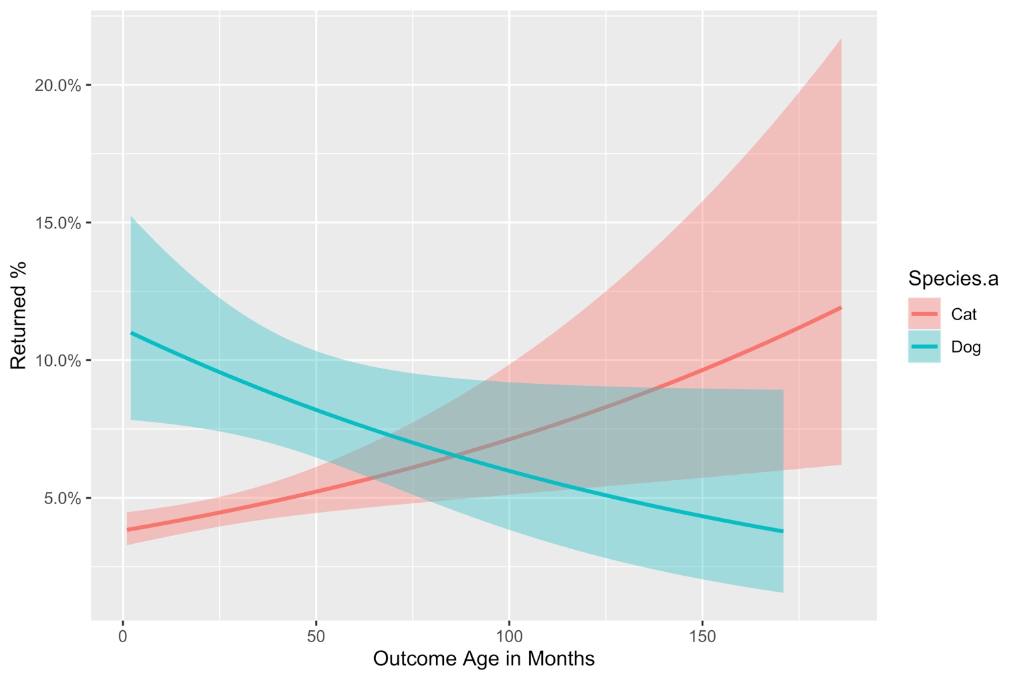
 | Dog * Median Income of Zip | 0.008802 | 0.004355 | 2.021 | 0.04328
 |  |  |  |  |  |  | Younger dogs and older cats have greater chances of return
 | Sick * Volume of Agent | 0.0007874 | 0.0004068 | 1.936 | 0.05289
 | ----------------------------- | ------------- | ------------ | ---------- | ------------

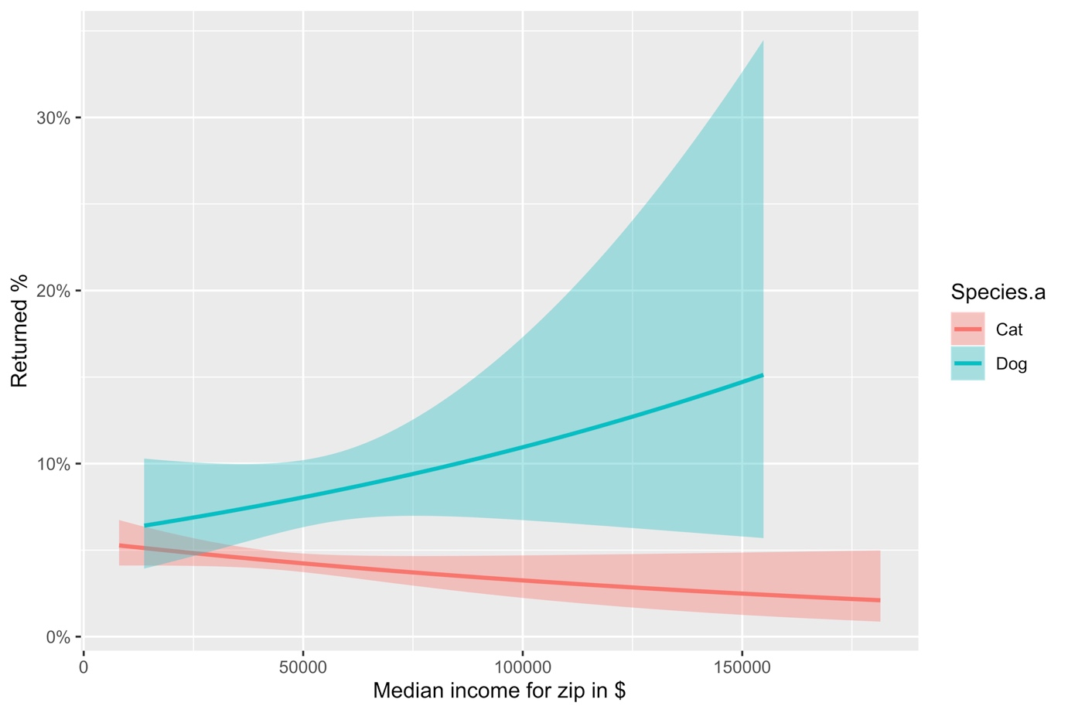

 |  | People from zip codes with higher median incomes are likelier to return dogs, less likely to return cats
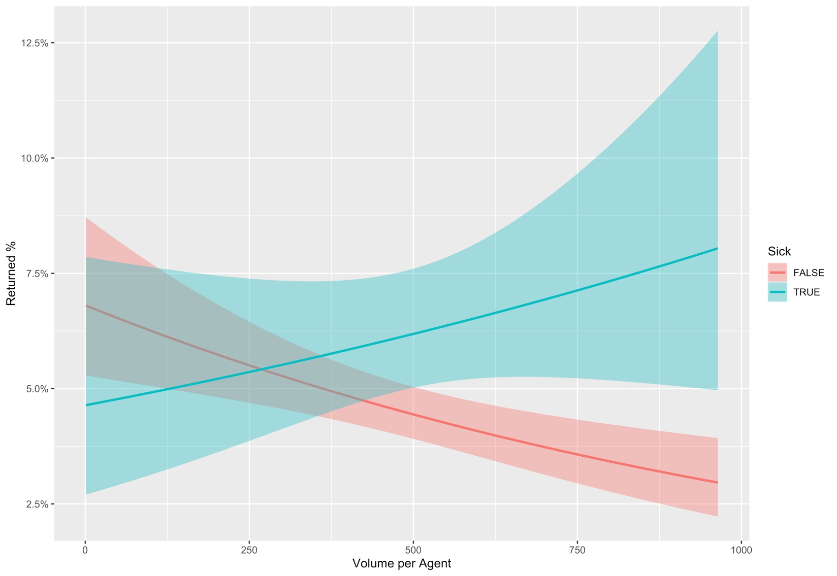
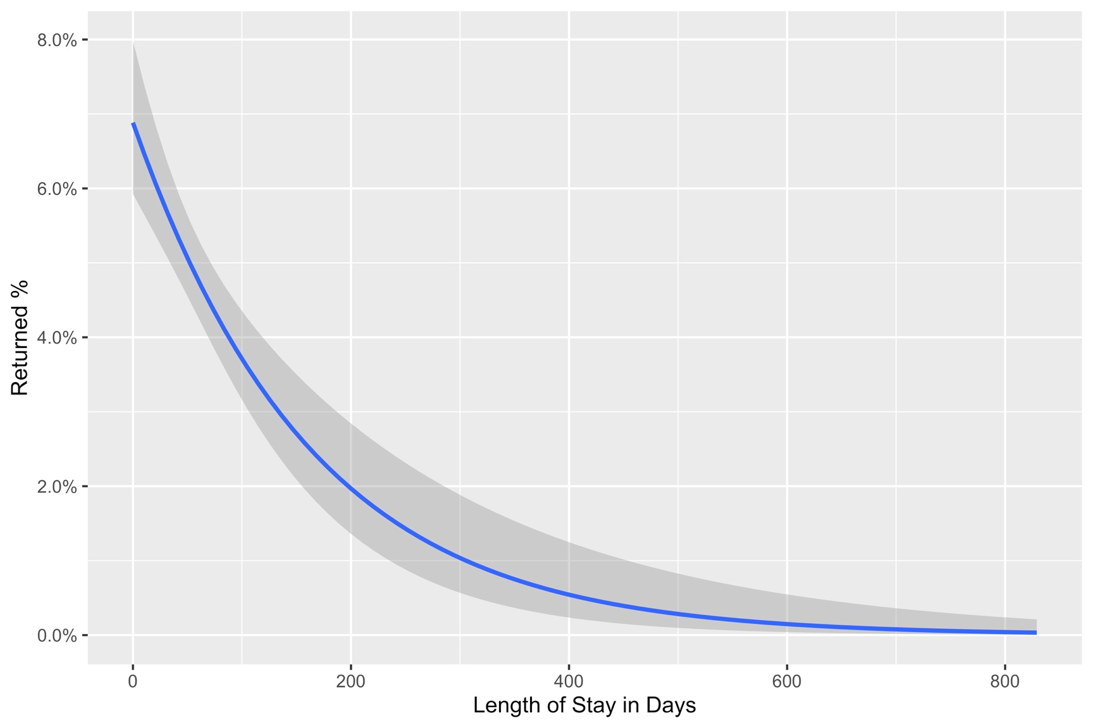

 | Agents with higher volumes tend to have fewer returns if the animal is healthy |  |  |  |  | Animals with longer LOS tend to have less risk of return
 | If the animal is sick, the effect seems to go in the opposite direction but is not statistically significant

